Sheet1
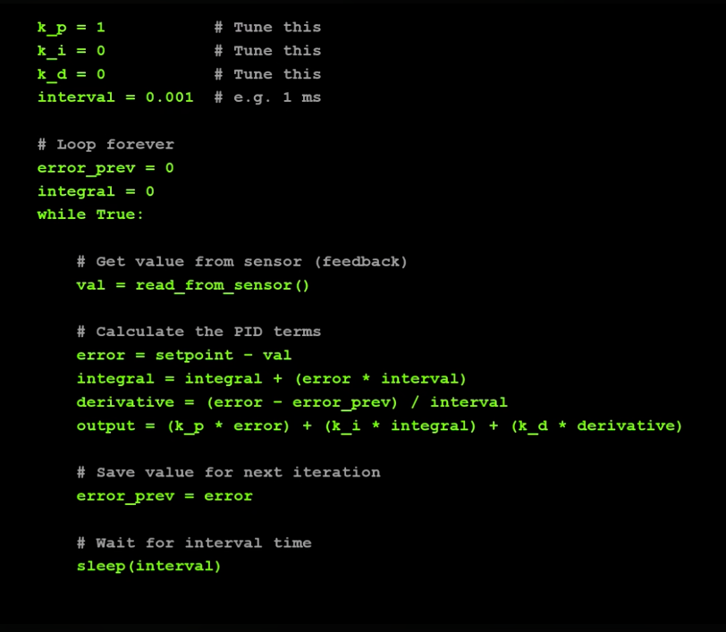
Temp | e(t) | Σe(t) | e(t) - e(t-1) | Kp = 0.1 | Kp*e(t) | Ki | Δt | Ki*Σe(t)*Δt | Kd | Kd.(e(t) - e(t-1))/Δt | Sum
 | 95 | 0
0 | 95 | 95 | 0 | 0.1 | 9.5 | 0.165 | 0.1 | 1.5675 | 0.18 | 0 | 110.675
20 | 75 | 170 | -20 | 0.1 | 7.5 | 0.165 | 0.1 | 2.805 | 0.18 | -0.36 | 99.45
40 | 55 | 225 | -20 | 0.1 | 5.5 | 0.165 | 0.1 | 3.7125 | 0.18 | -0.36 | 88.525
60 | 35 | 260 | -20 | 0.1 | 3.5 | 0.165 | 0.1 | 4.29 | 0.18 | -0.36 | 74.3
70 | 25 | 285 | -10 | 0.1 | 2.5 | 0.165 | 0.1 | 4.7025 | 0.18 | -0.18 | 70.225
80 | 15 | 300 | -10 | 0.1 | 1.5 | 0.165 | 0.1 | 4.95 | 0.18 | -0.18 | 62.7
90 | 5 | 305 | -10 | 0.1 | 0.5 | 0.165 | 0.1 | 5.0325 | 0.18 | -0.18 | 53.525
95 | 0 | 305 | -5 | 0.1 | 0 | 0.165 | 0.1 | 5.0325 | 0.18 | -0.09 | 49.425
95 | 0 | 305 | 0 | 0.1 | 0 | 0.165 | 0.1 | 5.0325 | 0.18 | 0 | 50.325
95 | 0 | 305 | 0 | 0.1 | 0 | 0.165 | 0.1 | 5.0325 | 0.18 | 0 | 50.325
95 | 0 | 305 | 0 | 0.1 | 0 | 0.165 | 0.1 | 5.0325 | 0.18 | 0 | 50.325
95 | 0 | 305 | 0 | 0.1 | 0 | 0.165 | 0.1 | 5.0325 | 0.18 | 0 | 50.325
95 | 0 | 305 | 0 | 0.1 | 0 | 0.165 | 0.1 | 5.0325 | 0.18 | 0 | 50.325
95 | 0 | 305 | 0 | 0.1 | 0 | 0.165 | 0.1 | 5.0325 | 0.18 | 0 | 50.325
 |  |  |  |  |  |  |  |  |  |  |  | Note: - Set temperature: 95 - Pulse width: 0 to 100% (50% is temp 95) - Time interval: Δt = 0.1 second

